Hiearchy View
CLASS: RWIS DEVICE
Road Weather Information System (RWIS) Road weather information - knowing exactly what is going on with the roadway, now and in the future - is the key to successful decision making systems along the roadway to alert drivers of potential hazards. |  | 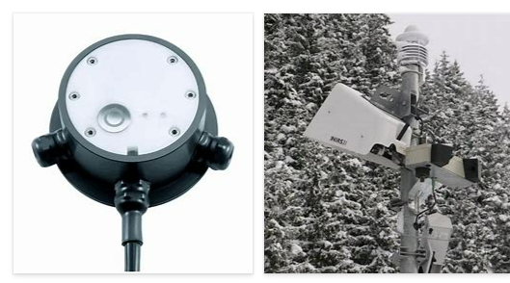
REMOVE | N

PROBLEM_DESC | CAUSE_DESC | REMEDY_DESC
ALARM/SENSOR
BROKEN/DAMAGED
OTHER PROBLEM
OVERHEATING
POWER-ELEC
STOPPED/SLOWED/POOR OPS
TEMP-CTRL
VIBRATION
Grand Total

